Sheet1
Market Research Tools

 | Mathematics is the language with which God has written the universe. - Galileo Galilei

So you think that you are not good with maths? Who planted this seed? Who robbed you of exploring life with your full capacity?
It is the same with "left brain" and "right brain" dominance concept. You do have a whole brain. Use it.

 | Making sound business decisions requires an ability to assess and interpret data and information.

So you regard yourself a business person? This means that you have the ability to process information in a way that creates opportunity.
Yes there is logic behind it. It is something that you can learn to do better. Start the life long exploration journey.

Determine a respresentative sample size for a survey that will provide a targetted level of confidence
 | Assumption:
 |  | Most data sets that relates to human characteristics and their natural behaviour exhibits a normal disribution
 |  | This means that there are a predictable relationship between the mean and standard deviation of the data set
 |  | Standard Deviation is the average amount of variability in your dataset.

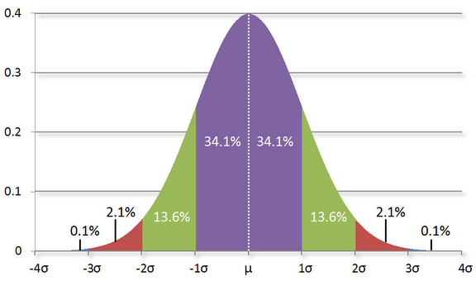
 |  |  |  |  |  |  |  |  |  |  |  |  | Example IQ
 |  |  |  |  |  |  |  | μ | mean | (Arithmetic mean = sum of all values divided by the total number of values) |  |  | 100
 |  |  |  |  |  |  |  | σ | standard deviation |  | (Dispersion of the data in relation to the mean) |  | 15
 |  |  |  |  |  |  |  | N | size of population

 |  |  |  |  | 68.2%
 |  |  |  |  | 95.4%
 |  |  |  |  | 99.70%

 | Note: | In most distributions, about 95% of values will be within 2 standard deviations of the mean.

Critical Z
 | Level of confidence (LoC):
 |  | A confidence level of 95% means that there is a probability of at least 95 per cent that the survey results will be representative. |  |  |  |  |  |  |  |  |  | (-2σ< xi<2σ)
 |  | To achieve a confidence level of 100%, the survey need to include all users. This may not be practical or affordable.
 |  | So what sample size will provide an acceptable level of confidence?
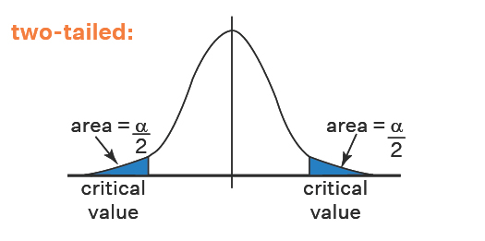
 |  | LoC | Z* | α
 |  | 0% | 0
 |  | 50% | 0.67449 | 50 | Z* | The critical value relates the proportion of σ and the LoC which links the area under the distribution curve between the upper and lower bound, or confidence interval.
 |  | 75% | 1.15035 | 25
 |  | 90% | 1.64485 | 10
 |  | 95% | 1.95996 | 5
 |  | 98% | 2.33000 | 2
 |  | 99% | 2.57583 | 1
 |  | 99.9% | 3.29053 | 0.1

Confidence Interval
 | Focus area variables: |  |  |  |  |  |  |  |  |  |  |  |  |  |  |  | y=a x^2+bx
 | P | Estimated total populaltion (2023) |  |  |  | 225000 |  |  |  |  |  |  |  |  |  |  | y | x |  | a | b
 | H | Households |  |  |  | 90000 |  |  |  |  |  |  |  |  |  | 0.65197548572 | 75% | 1.15035
 | N | Estimated total number users |  |  |  | 9000 | 10% | Example |  |  |  |  |  | -0.21195779675 | 0.10481313049 | 0.54716235523 | 90% | 1.64485 | -0.49450 | -0.21195779675 | 0.89580113721
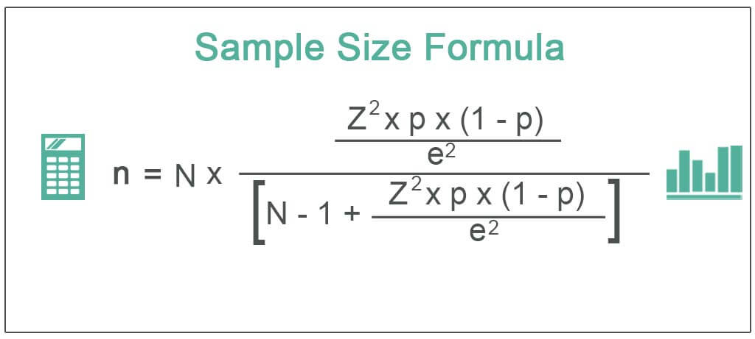
 | σ | Standard Deviation |  |  |  | 0.5 | Start with 0,5 if unknown |  |  |  |  |  |  | -0.19821200776 | 0.062458585765 | 0.48470376946 | 95% | 1.95996 | -0.31511 | -0.19821200776 | 0.87319137619
 | e | Select an accepatble margin of error |  |  |  |  |  |  |  |  |  |  |  | -0.17323238324 | 0.064102911096 | 0.42060085837 | 98% | 2.33000 | -0.37004 | -0.17323238324 | 0.82423231133
 |  | 2% |  |  |  |  |  |  |  |  |  |  |  | -0.14749511447 | 0.036258723989 | 0.38434213438 | 99% | 2.57583 | -0.24583 | -0.14749511447 | 0.76426447507
 |  | 5%
 |  | 10% |  |  |  |  |  |  |  |  |  |  |  |  |  |  |  |  |  | -0.18272432555 | 0.83937232495

 | Sample size:
 | n | Required sample size |  |  | = | 368
 |  |  |  |  |  |  |  |  |  |  |  |  |  |  |  |  | 72.4% | 1.151975
 | R | Estimated response rate |  |  |  |  |  |  |  |  |  |  |  |  |  |  | 88.6% | 1.64485
 |  | 10% |  |  |  |  |  |  |  |  |  |  |  |  |  |  | 94.3% | 1.95996
 |  | 20% |  |  |  |  | How can you improve this? |  |  |  |  |  |  |  |  |  | 96.4% | 2.33000
 |  | 30% |  |  |  |  |  |  |  |  |  |  |  |  |  |  | 95.0% | 2.57583
p = σ
 |  |  |  |  |  |  |  |  |  |  |  |  |  |  |  |  |  |  |  | -0.16696216278 | 0.81423616248
 | n* | Number to invite |  |  | = | 1842 |  |  |  |  |  |  |  |  |  |  | 71.6% | 1.151975
 |  |  |  |  |  |  |  |  |  |  |  |  |  |  |  |  | 88.8% | 1.64485
 |  |  |  |  |  |  |  |  |  |  |  |  |  |  |  |  | 95.4% | 1.95996
 |  |  |  |  |  |  |  |  |  |  |  |  |  |  |  |  | 99.1% | 2.33000
Other aspects to keep in mind: |  |  |  |  |  |  |  |  |  |  |  |  |  |  |  |  | 99.0% | 2.57583

 | 1) Who are the movers and shakers? Who influence change in behaviour?
 | 2) How do you get closer to your potential clients?
 | 3) Independent indirect market research? (Response to advertisements)
 | 4) AI and Internet.
 | 5) Language and culture
 | 6) Aging of datasets (Change)
 | 7) The 5 P's of marketing – Product, Price, Promotion, Place, and People - Driving the questions

